Terms and conditions
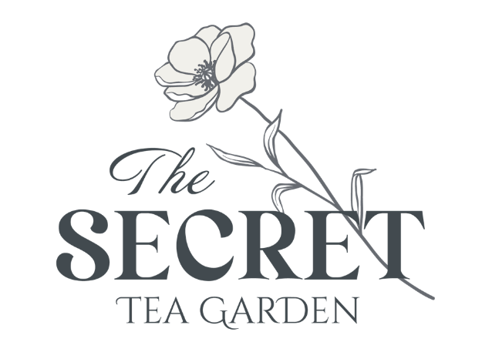

 |  | Breakfast • Lunch • Brunch • Coffee shop • Country • Light Meals • Spit braai

Address: 16B Penguin Dr, Norscot Manor Centre, Fourways
Email: Info@thesecretteagarden.co.za
Tel: (010) 880 8604
www.thesecretteagarden.co.za
PROCEDURE TO SECURE YOUR FUNCTION:
1. Check availability
2. Front page completed, signed & sent back with POP
3. Venue Hire paid - Reference your name & date of function.
4. Catering order to be emailed, together with a 50% deposit
on the food & beverage order on the SUNDAY prior to the event.
5. NB: Strictly no changes to be made after this day to functions
BANKING DETAILS:
Cailange Events Pty Ltd
FNB
ACC: 63007083073
Branch: 250655

 |  | FUNCTION CONFIRMATION FORM

 | *PLEASE COMPLETE THE GREY BOXES

 | BOOKED BY: |  | FUNCTION DATE:

 | TELEPHONE NO: |  | NO OF ADULTS:

 | EMAIL ADDRESS: |  | NO OF CHILDREN:

 | GUEST OF HONOUR: |  | TIME: | 10:00-13:00 | YES

 |  |  |  | 13:30- 16:30 | YES

 | Baby shower | YES
 | Bridal shower | YES
 | High Tea | YES
 | Birthday party: Girl | YES
 | Birthday party: Boy | YES
 | Other | YES
 | Time of arrival for setup:

 | TERMS & CONDITIONS

1. | A NON-REFUNDABLE “Venue Hire Fee” is required to secure your booking.
 | Once this has been paid, it cannot be refunded upon cancellation, and is NOT deducted from the final bill
 | 0 - 10 Adults = R550 | 11 - 20 Adults = R1450 | 21 - 30 - Adults = R2100 | 61 - 70 - Adults = R3500 |  | 100+ - Guests = R8000
 | 31 - 40 - Adults = R2350 | 41 - 50 - Adults = R2600 | 51 - 60 - Adults = R2800 | 71 - 90 - Adults = R5000
2. | Final Catering Selections and Number of Guests are to be submitted by the SUNDAY BEFORE your function |  |  |  |  |  | Initial
3. | Please note a week prior to the function, a 50% deposit is payable for the food and beverage required for the function, |  |  |  |  |  | Initial
 | with the outstanding balance to be made on the day the function.
4. | Please note that all high tea bookings are NON REFUNDABLE. |  |  |  |  |  | Initial
5. | Please note that if the event is cancelled within a week prior to the function date, 50% of the food and beverage cost is NON REFUNDABLE. |  |  |  |  |  | Initial
6. | Please note that the cost of pre-ordered beverages which are not consumed during the function, will not be refunded. |  |  |  |  |  | Initial
 | These beverages may be removed from the venue.
7. | The venue hire fee includes the following : tables, chairs, gazebos, cutlery, glassware, crockery & white paper napkins.
8. | No food, beverages or any other consumables may be brought onto the premises |  |  |  |  |  | Initial
9. | Full payment of Outstanding Balance to be made on the day of the function. |  |  |  |  |  | Initial
 | (We do not unfortunately, accept Diner’s Club,American Express or Cheques)
10. | All EFT Payments to reflect in our bank before we recognise it as a payment for the event.
11. | Please send the confirmation of payment for the NON-REFUNDABLE “Venue Hire Fee” to the e-mail address, together with this first page
12. | A 10% GRATUITY will be added to your Final Bill which will be received by the host/hostess & assistants
13. | Prices subject to change without prior notice.
14. | Please note that we are a purely outside venue / NO PUBLIC ADDRESS SYSTEMS OR MUSIC may be brought into The Tea Garden.
15. | Please note that the use of the jumping castle, candy floss and popcorn machine are load shedding dependent.
 | Please enquire from the host the predicted load shedding schedule on the date of your function.

 | I, _________________________(Name and surname) hereby acknowledge that I have read the complete document & accept the Terms & Conditions hereof.

 | Please Initial Blocks 2,3,4,5,6,8 & 9 this indicates that you are aware & accept the terms as stated above

 | SIGNATURE |  | DATE

 | FREQUENTLY ASKED QUESTIONS
 | Your are welcome to bring the following items in for your function:
 | Flowers, Balloons & décor
 | We do have an inhouse decor specialist to assist you with your requirements
 | There are no exceptions to the NO MUSIC or PA SYSTEMS terms & conditions, as we are in a residential area and our lease prohibits this.
 | We are an outdoor venue only, and do not have inside facilities.
 | We will however endeavour to accommodate your function in a room inside the manor house if there is inclement weather.
 | These rooms do not form part of our leased area and therefore cannot be guaranteed

 | We look forward to making your function a special day to remember.

